Emissions target
Population Growth, Economic Growth, Greenhouse Gas Emissions, and Climate Change
To limit climate change, the world must stabilize greenhouse gases in the atmosphere. This requires, at a minimum, that emissions of greenhouse gases be reduced to equal the absorptive capacity of the world ecosystem. As part of that effort, in 2015 the US pledged to reduce its emissions of greenhouse gases substantially by 2025. We said we would reduce those emisions to 26-28% of their 2005 level.
The graph below, from a page on Columbia University's Earth Institute site, shows the progress we made through 2012--along with the 2025 target.
Update:
In June 2017, President Trump announced we would withdraw our pledge. (That is, withdraw from the Paris Accord.)
This article
discusses the latest news (9/12/2017) on this front.

 |  | https://www.nytimes.com/2017/09/12/climate/trump-adviser-gary-cohn-un-climate-change-meeting.html?_r=0

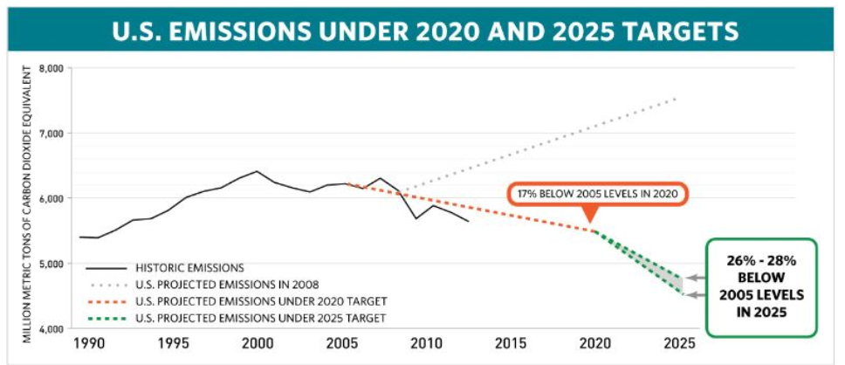

 | The graph is part of a blog entry on the 2015 Paris accords.
 | http://blogs.ei.columbia.edu/2015/12/11/what-is-the-u-s-commitment-in-paris/
The lower boundary of the 2025 target is about 4,500 million metric tons per year. Tons of what, you ask? Tons of carbon dioxide equivalents. Because there is more than one greenhouse gas, climate scientists use carbon dioxide as a "common currency." For example, they convert methane emissions into carbon dioxide emissions by estimating how much impact a ton of methane has on global warming compared to a ton of carbon dioxide.
To understand the interaction between population, living standards, and emission intensity, lets explore, on the next sheet, different ways we could hit the 4,500 million metric ton target.

Emissions identity
Read this part. |  |  |  |  |  |  | Look at this part if you want. It contains data sources and calculations.
Since the most recent audited emissions data for the US are for 2014, let's begin our explortion then. In 2014, net emissions from the US were about 6,100 metric tons.
Let's think about three things that will influence the rate of growth of emissions between 2014 and 2025: population growth, growth in living standards, and the emission's intensity of economic activity. We can do this with an accounting identity:
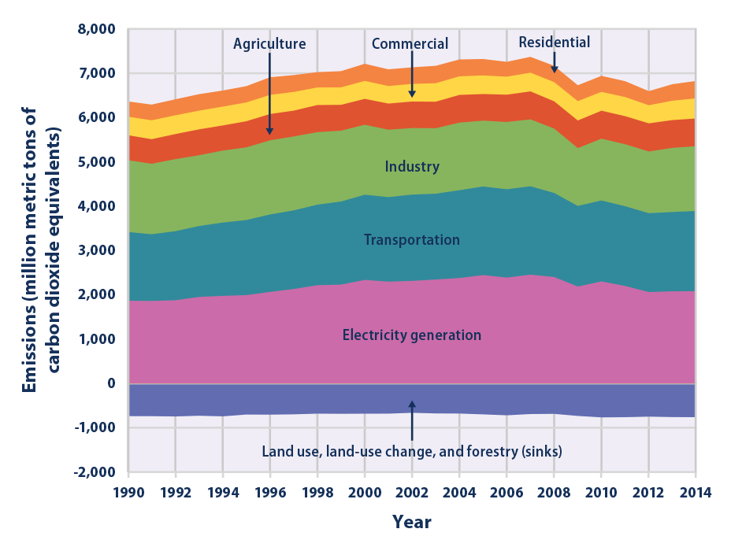

$$CE=P×\frac{Y}{P}×\frac{CE}{Y}$$

 | CE= | carbon dioxide equivalent emissions, in millions of metric tons
 | P= | population
 | Y= | real GDP, in millions of 2009 dollars
The identity says that US carbon emissions are determined by its population, by its GDP per capita, and by the emission's-intensity of its economic activity. The "CE/Y" term in the identity measures the emissions-intensity of GDP, how much carbon dioxide emissions there are per dollar of GDP.
 |  |  |  |  |  |  | The graph is from an EPA report from August 2016.
 |  |  |  |  |  |  | https://www.epa.gov/climate-indicators/climate-change-indicators-us-greenhouse-gas-emissions

Here is the identity applied to 2014 emissions:
 |  | Population (in millions of people) | Per capita GDP (in thousands of 2009 $) | Emission Intensity (tons per million dollars of GDP) |  | Total emissions (in millions of metric tons of carbon dioxide equivalents) | 2014 | Carbon dioxide equivalents, millions of metric tons |  | Millions of 2009 dollars
 |  | A | B | C | = | A*B*C | Emissions | 6870 | Real GDP | 15982
 | CE= | 314 | 50.9 | 0.38 | = | 6114 | Sinks | -756
 |  |  |  |  |  |  | Net emissions | 6114 | Tons CO2 per million dollars | 0.38
Now that we have looked at three big factors affecting total carbon dioxide emissions, on the next sheet we the carbon dioxide emissions identity to simulate emissions growth from 2014 to 2025. The simulation shows how changes in each of these factors over time will affect our success at reaching the 2025 target for US emissions.
 |  |  |  |  |  |  |  | Millions of people |  | Thousands of 2009 dollars
 |  |  |  |  |  |  | Population | 314 | Real GDP per capita | 50.9

Simulation
Simulation: total US emissions of greenhouse gases
The table below shows how total US emissions will change over time, depending on the growth rate of the population, the growth rate of per capita GDP, and the growth rate of emission intensity. The population growth rate was .7% per year in 2014 and is forecast to fall a bit. Per capita GDP growth has been about 1.5% per year over the period since 1994.

 | Growth rates as percentages | 0.7% | 1.5% | -2.1% |  | Make changes here
 | Growth rates | 0.007 | 0.015 | -0.021
 | Original values | 0.007 | 0.015 | -0.021
 | Year | Population (millions of people) | Per capita GDP (thousands of 2009 $) | Emission Intensity (tons per million dollars of GDP) | Total emissions (millions of metric tons of carbon dioxide equivalents) |  | Year | Total emissions (millions of metric tons of carbon dioxide equivalents) |  | Target
Initial values | 2014 | 314 | 50.9 | 0.383 | 6114 |  | 2014 | 6114
Calculated based on growth rates
 | 2015 | 316 | 51.7 | 0.375 | 6118 |  | 2015 | 6118
 | 2016 | 318 | 52.4 | 0.367 | 6122 |  | 2016 | 6122
 | 2017 | 321 | 53.2 | 0.359 | 6126 |  | 2017 | 6126
 | 2018 | 323 | 54.0 | 0.351 | 6130 |  | 2018 | 6130
 | 2019 | 325 | 54.8 | 0.344 | 6134 |  | 2019 | 6134
 | 2020 | 327 | 55.7 | 0.337 | 6138 |  | 2020 | 6138
 | 2021 | 330 | 56.5 | 0.330 | 6142 |  | 2021 | 6142
 | 2022 | 332 | 57.3 | 0.323 | 6146 |  | 2022 | 6146
 | 2023 | 334 | 58.2 | 0.316 | 6150 |  | 2023 | 6150
 | 2024 | 337 | 59.1 | 0.309 | 6154 |  | 2024 | 6154
 | 2025 | 339 | 60.0 | 0.303 | 6158 |  | 2025 | 6158

With the growth rates at their current levels, increases in population, increases in living standards, and declines in emissions intensity will result in emissions of carbon dioxide equivalents to grow slightly between 2014 and 2025. You can see that in the values in Column F above and in the graph to the right, when you open this workbook.
By adjusting the three growth rates, see what it would take to meet our Paris commitment.
What sort of changes might help us achieve the growth rates you selected?
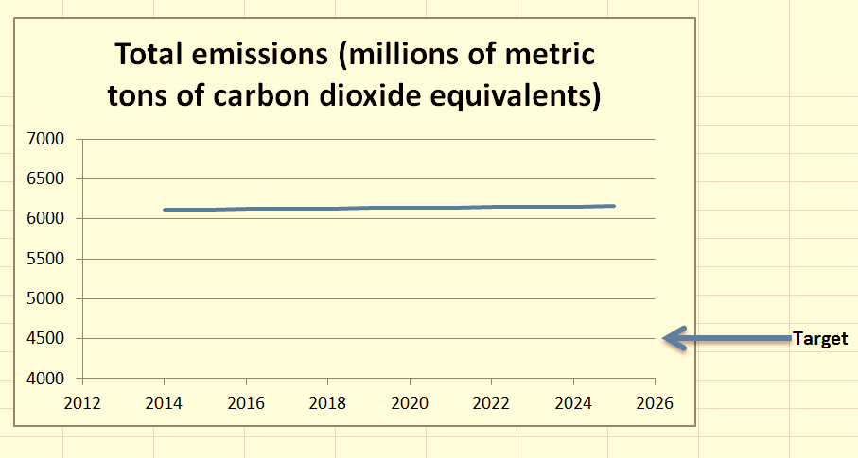
 |  |  |  |  |  |  |  |  | Frozen version of graph, calculated using "current growth rates" (p=.7%/yr , y=1.5%/yr , ce= -2.1%/yr)

EPA Data
Supporting data |  |  |  |  | Growth rate
 |  |  |  |  | -0.021
Year | Real_GDP | Population | Emissions_per_capita | Emissions_per_$GDP |  | Year | Emissions_per_$GDP
1990 | 100.00 | 100.00 | 100.00 | 100.00 | 100.00 | 1990 | 100.00
1991 | 99.93 | 101.34 | 97.66 | 99.04 | 97.90 | 1991 | 99.04
1992 | 103.48 | 102.74 | 98.11 | 97.42 | 95.84 | 1992 | 97.42
1993 | 106.32 | 104.10 | 98.60 | 96.54 | 93.83 | 1993 | 96.54
1994 | 110.61 | 105.38 | 98.65 | 93.98 | 91.86 | 1994 | 93.98
1995 | 113.62 | 106.64 | 98.92 | 92.85 | 89.93 | 1995 | 92.85
1996 | 117.93 | 107.89 | 100.70 | 92.12 | 88.04 | 1996 | 92.12
1997 | 123.23 | 109.19 | 100.22 | 88.80 | 86.19 | 1997 | 88.80
1998 | 128.71 | 110.46 | 100.00 | 85.83 | 84.38 | 1998 | 85.83
1999 | 134.74 | 111.73 | 99.20 | 82.26 | 82.61 | 1999 | 82.26
2000 | 140.25 | 112.97 | 100.45 | 80.90 | 80.88 | 2000 | 80.90
2001 | 141.62 | 114.08 | 97.85 | 78.82 | 79.18 | 2001 | 78.82
2002 | 144.15 | 115.13 | 97.56 | 77.92 | 77.52 | 2002 | 77.92
2003 | 148.20 | 116.11 | 97.27 | 76.21 | 75.89 | 2003 | 76.21
2004 | 153.81 | 117.18 | 98.32 | 74.90 | 74.29 | 2004 | 74.90
2005 | 158.95 | 118.24 | 97.55 | 72.57 | 72.73 | 2005 | 72.57
2006 | 163.19 | 119.36 | 95.81 | 70.08 | 71.21 | 2006 | 70.08
2007 | 166.09 | 120.48 | 96.30 | 69.85 | 69.71 | 2007 | 69.85
2008 | 165.61 | 121.60 | 92.77 | 68.12 | 68.25 | 2008 | 68.12
2009 | 161.01 | 122.64 | 86.37 | 65.79 | 66.81 | 2009 | 65.79
2010 | 165.09 | 123.65 | 88.31 | 66.14 | 65.41 | 2010 | 66.14
2011 | 167.73 | 124.58 | 86.15 | 63.98 | 64.04 | 2011 | 63.98
2012 | 171.46 | 125.51 | 82.74 | 60.56 | 62.69 | 2012 | 60.56
2013 | 174.02 | 126.44 | 84.07 | 61.08 | 61.38 | 2013 | 61.08
2014 | 178.24 | 127.36 | 84.33 | 60.25 | 60.09 | 2014 | 60.25
This column calculated from growth rate at top

